Front page
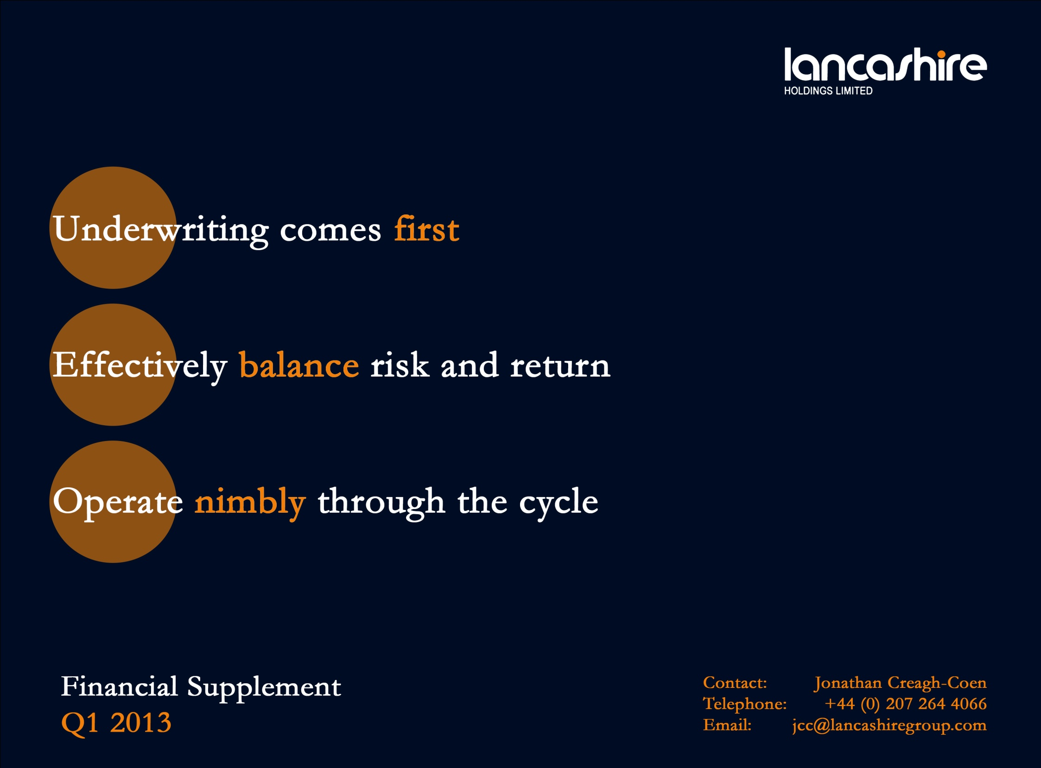

Compound growth graph
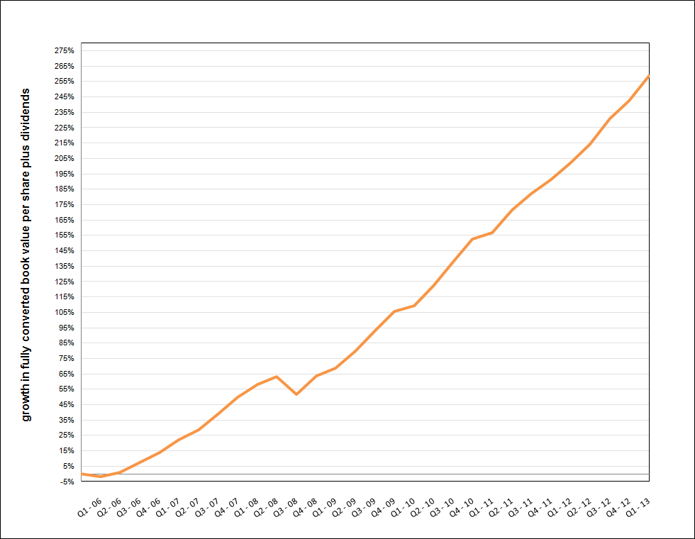
Lancashire Holdings Limited
growth in fully converted book value per share plus dividends since inception

